Database Schema
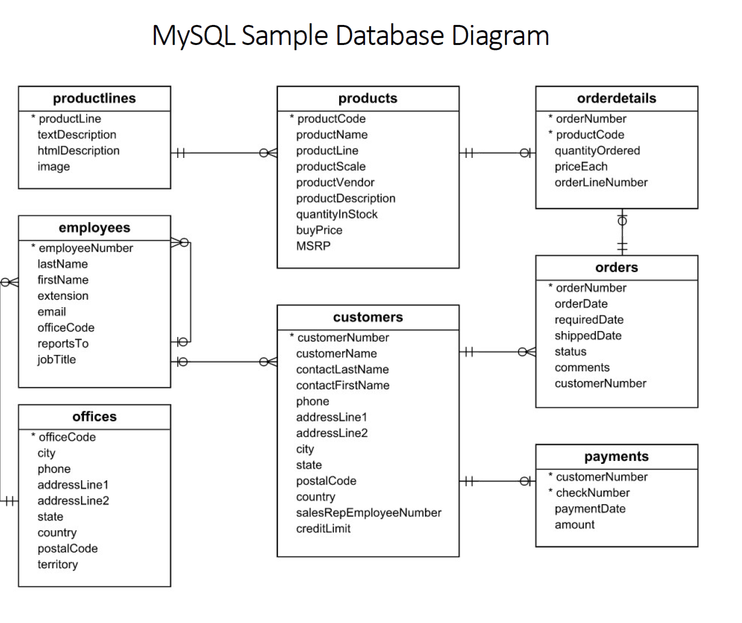
Table Name | Columns | Data Type & Size | Null | Keys
https://www.mysqltutorial.org/getting-started-with-mysql/mysql-sample-database/
Customers | customerNumber | int(11) | NO | PRI
 | customerName | varchar(50) | NO
 | contactLastName | varchar(50) | NO
 | contactFirstName | varchar(50) | NO
 | phone | varchar(50) | NO
 | addressLine1 | varchar(50) | NO
 | addressLine2 | varchar(50) | YES
 | city | varchar(50) | NO
 | state | varchar(50) | YES
 | postalCode | varchar(50) | YES
 | country | varchar(50) | NO
 | salesRepEmployeeNumber | int(11) | YES | MUL
 | creditLimit | decimal(10,2) | YES

Products | productCode | varchar(15) | NO | PRI
 | productName | varchar(70) | NO
 | productLine | varchar(50) | NO
 | productScale | varchar(10) | NO
 | productVendor | varchar(50) | NO
 | productDescription | text | NO
 | quantityInStock | smallint(6) | NO
 | buyPrice | decimal(10,2) | NO
 | MSRP | decimal(10,2) | NO

ProductLines | productLine | varchar(50) | NO
 | textDescription | varchar(4000) | YES
 | htmlDescription | mediumtext | YES
 | image | mediumblob | YES

Orders | orderNumber | int(11) | NO | PRI
 | orderDate | date | NO
 | requiredDate | date | NO
 | shippedDate | date | YES
 | status | varchar(15) | NO
 | comments | text | YES
 | customerNumber | int(11) | NO | MUL

OrderDetails | orderNumber | int(11) | NO | PRI
 | productCode | varchar(15) | NO | PRI
 | quantityOrdered | int(11) | NO
 | priceEach | decimal(10,2) | NO
 | orderLineNumber | smallint(6) | NO

Payments | customerNumber | int(11) | NO | PRI
 | checkNumber | varchar(50) | NO | PRI
 | paymentDate | date | NO
 | amount | decimal(10,2) | NO

Employees | employeeNumber | int(11) | NO | PRI
 | lastName | varchar(50) | NO
 | firstName | varchar(50) | NO
 | extension | varchar(50) | NO
 | email | varchar(50) | NO
 | officeCode | varchar(50) | NO | MUL
 | reportsTo | int(11) | YES | MUL
 | jobTitle | varchar(50) | NO

Offices | officeCode | varchar(10) | NO | PRI
 | city | varchar(50) | NO
 | phone | varchar(50) | NO
 | addressLine1 | varchar(50) | NO
 | addressLine2 | varchar(50) | YES
 | state | varchar(50) | YES
 | country | varchar(50) | NO
 | postalCode | varchar(15) | NO
 | territory | varchar(10) | NO

The MySQL sample database schema consists of the following tables.
> Customers: Stores customer's data.
> Products: Stores a list of scale model cars
> ProductLines: stores a list of product line categories
> Orders: Stores sales order line items for each sales order.
> Payments: Stores payments made by customers based on their accounts.
> Employees: Stores all employee information as well as the organization structure such as who reports to whom.
> Offices: Stores sales office data.

functional Stored Procedure
TC ID | Title/Description | Steps | Test Query | Test Data | Expected Result | Actual Result | Priority | Status
TC001 | Check Stored Procedure exist in database | SHOW PROCEDURE STATUS WHERE db = 'classicmodels'; or SHOW PROCEDURE STATUS WHERE name = 'SelectAllCustomers'; | NA | NA | SP Name should be displayed in the list | As per design | P1 | Passed
TC002 | Check Stored Procedure "SelectAllCustomers" display all records from the "Customers" table | call SelectAllCustomers(); | select * from customers; | NA | Display all records from the "Customers" table | As per expectation | P2 | Passed
TC003 | Check stored procedure "SelectAllCustomersByCity" by passing CityName as input parameter | call SelectAllCustomersByCity('Singapore'); | select * from customers where city = 'singapore'; | City Name : Singapore | Display Customers from a particular City from the "Customers" table | As per expectation | P3 | Passed
TC004 | Check stored procedure "SelectAllCustomersByCityAndPin" by Passing input parameters 'cityName' and 'pinCode' | call SelectAllCustomersByCityAndPin('Singapore', '079903'); | select * from customers where city = 'singapore' and postalCode = '079903'; | City Name : Singapore Pin Code: 079903 | Display Customers from a particular City with a particular PostalCode from the "Customers" table | As per expectation | P4 | Passed
TC005 | Check sotred procedure "get_order_by_cust" by passing input parameter 'custID' | call get_order_by_cust(141, @shipped, @cancelled, @resolved, @disputed); select @shipped, @cancelled, @resolved, @disputed; | select (select count(*) as 'shipped' from orders where customerNumber=141 and status= 'Shipped') as Shipped, (select count(*) as 'cancelled' from orders where customerNumber=141 and status= 'Cancelled') as Cancelled, (select count(*) as 'resolved' from orders where customerNumber=141 and status= 'Resolved') as Resolved, (select count(*) as 'disputed' from orders where customerNumber=141 and status= 'Disputed') as Disputed; | CustID: 141 | Accepts customer number and returns the total nuber of orders that were shipped, cancelled, resolved, and disputed. | As per expectation | P5 | Passed
TC006 | Check Stored procedure "GetCustomerShipping" by passing input parameter 'custId' | 1) call GetCustomerShipping(112, @shipping); select @shipping as ShippingTime 2) call GetCustomerShipping(260, @shipping); select @shipping as ShippingTime 3) call GetCustomerShipping(353, @shipping); select @shipping as ShippingTime | Select country, case When country='USA' then '2-day Shipping' When country='USA' then '2-day Shipping' Else '5-day Shipping' End as ShippingTime From customers where customerNumber = 112 | custID: 112 custID: 260 custID: 353 | ER1: 2-day Shipping ER2: 3-day Shipping ER3: 5 day Shipping | As per expectation | P6 | Passed
1) Common Test scenarios for testing stored procedures. 2) How to write test cases for stored procedures? 3) How to test stored procedures?

Stored Procedures
Stored Procedures 1:
Stored Procedure Name |  | SelectAllCustomers
Description |  | select all records from the "Customers" table
Input Parameters |  | NA
Output Parameters |  | NA

Stored Procedures 2:
Stored Procedure Name |  | SelectAllCustomersByCity
Description |  | selects Customers from a particular City from the "Customers" table
Input Parameters |  | cityName
Output Parameters |  | NA

Stored Procedures 3:
Stored Procedure Name |  | SelectAllCustomersByCityAndPin
Description |  | selects Customers from a particular City with a particular postal code from the "Customers" table
Input Parameters |  | cityName, postalCode
Output Parameters |  | NA

Stored Procedures 4:
Stored Procedure Name |  | get_order_by_cust
Description |  | accepts customer number and returns the total number of orders that were shipped, cancelled, resolved and disputed.
Input Parameters |  | custNo
Output Parameters |  | shipped, cancelled, resolved, disputed

Stored Procedures 5:
Stored Procedure Name |  | GetCustomershipping
Description |  | Return the shipping time based on the country of the customer. If the customer locates in USA, the shipping time is 2-day shipping. If the customer locates in Canada, the shipping time is 3-day shipping. The customers from other countries have 5-day shipping.
Input Parameters |  | custNo
Output Parameters |  | shippingTime
Start

Customer Country
USA
Other

Canada

2-day Shipping
2-day Shipping
2-day Shipping

 | Common Test scenario for Stored Procedure
 | Check Stored Procedure exist in database
 | Check Stored Procedure with valid input data
 | Check stored procedure handle exceptions when you pass invalid input data.
 | Check stored procedure display results as expected.
 | Check stored procedure inserting data in proper table/s.
 | Check stored procedure updating data in proper table/s.
 | Check stored procedure deleting data from proper table/s.
 | Check calling stored procedure from another stored procedure.

